ISS reports summary
Cumulative cases w/ symptom onset or diagnosis/swab date and cumulative reported cases. Source: ISS.
 | cumulative incidence of cases w/ symptom onset date | cumulative incidence of cases w/ diagnosis/swab date | cumulative reported cases
2020-03-09 | 4555 | 7812 | 8342
2020-03-10
2020-03-11
2020-03-12 | 8331 | 13323 | 13882
2020-03-13
2020-03-14
2020-03-15
2020-03-16 | 13601 | 24346 | 25028
2020-03-17 | 16181 | 27224 | 28293
2020-03-18 | 17389 | 30722 | 31772
2020-03-19 | 18966 | 34927 | 35731
2020-03-20 | 21157 | 39981 | 42220
2020-03-21 | 22993 | 46584 | 48452
2020-03-22 | 28330 | 50246 | 52796
2020-03-23 | 29603 | 55059 | 57989
2020-03-24 | 31959 | 59203 | 62844
2020-03-25 | 34371 | 64130 | 67814
2020-03-26 | 37403 | 70418 | 73780
2020-03-27 | 44204 | 76714 | 79968
2020-03-28 | 46704 | 82510 | 85308
2020-03-29 | 48525 | 87038 | 89967
2020-03-30 | 53084 | 90972 | 94312
2020-03-31 | 55280 | 95077 | 98716
2020-04-01 | 57951 | 98500 | 102669
2020-04-02 | 60313 | 101994 | 106399
2020-04-03 | 63084 | 107342 | 112401
2020-04-04 | 65145 | 111692 | 117050
2020-04-05 | 70012 | 116363 | 120290
2020-04-06 | 71354 | 120570 | 124527
2020-04-07 | 73040 | 123801 | 127790
2020-04-08 | 75897 | 127642 | 131751
2020-04-09 | 77927 | 131995 | 136110
2020-04-10 | 77878 | 133700 | 139377
2020-04-11 | 81792 | 139347 | 143199
2020-04-12 | 82648 | 142425 | 146321
2020-04-13 | 83817 | 146233 | 150189
2020-04-14
2020-04-15 | 86392 | 151212 | 155467
2020-04-16 | 87954 | 155133 | 159107
2020-04-17 | 90191 | 157904 | 162004
2020-04-18
2020-04-19
2020-04-20 | 93188 | 165282 | 169325
2020-04-21
2020-04-22 | 95815 | 169779 | 173730
2020-04-23 | 97568 | 173325 | 177143
2020-04-24 | 109766 | 179451 | 183269
2020-04-25
2020-04-26
2020-04-27 | 118063 | 193301 | 197096
...
date | time | cumulative incidence of cases w/ symptom onset date | cumulative incidence of cases w/ diagnosis/swab date | cumulative reported cases | cumulative reported deaths
2020-03-09 | 16:00:00 | 4555 | 7812 | 8342 | 357
2020-03-10 | 16:00:00
2020-03-11 | 16:00:00
2020-03-12 | 16:00:00 | 8331 | 13323 | 13882 | 803
2020-03-13 | 16:00:00
2020-03-14 | 16:00:00
2020-03-15 | 16:00:00
2020-03-16 | 16:00:00 | 13601 | 24346 | 25028 | 1647
2020-03-17 | 16:00:00 | 16181 | 27224 | 28293 | 2003
2020-03-18 | 16:00:00 | 17389 | 30722 | 31772 | 2390
2020-03-19 | 16:00:00 | 18966 | 34927 | 35731 | 3047
2020-03-20 | 16:00:00 | 21157 | 39981 | 42220 | 3200
2020-03-21 | 16:00:00 | 22993 | 46584 | 48452 | 3770
2020-03-22 | 16:00:00 | 28330 | 50246 | 52796 | 4465
2020-03-23 | 16:00:00 | 29603 | 55059 | 57989 | 5019
2020-03-24 | 16:00:00 | 31959 | 59203 | 62844 | 5542
2020-03-25 | 16:00:00 | 34371 | 64130 | 67814 | 6157
2020-03-26 | 16:00:00 | 37403 | 70418 | 73780 | 6801
2020-03-27 | 16:00:00 | 44204 | 76714 | 79968 | 7590
2020-03-28 | 16:00:00 | 46704 | 82510 | 85308 | 8460
2020-03-29 | 17:00:00 | 48525 | 87038 | 89967 | 9220
2020-03-30 | 18:00:00 | 53084 | 90972 | 94312 | 10026
2020-03-31 | 19:00:00 | 55280 | 95077 | 98716 | 10943
2020-04-01 | 16:00:00 | 57951 | 98500 | 102669 | 11857
cumulative reported deaths. Source: ISS.
 | cumulative reported deaths
2020-03-09 | 357
2020-03-10
2020-03-11
2020-03-12 | 803
2020-03-13
2020-03-14
2020-03-15
2020-03-16 | 1647
2020-03-17 | 2003
2020-03-18 | 2390
2020-03-19 | 3047
2020-03-20 | 3200
2020-03-21 | 3770
2020-03-22 | 4465
2020-03-23 | 5019
2020-03-24 | 5542
2020-03-25 | 6157
2020-03-26 | 6801
2020-03-27 | 7590
2020-03-28 | 8460
2020-03-29 | 9220
2020-03-30 | 10026
2020-03-31 | 10943
2020-04-01 | 11857
2020-04-02 | 12550
2020-04-03 | 13241
2020-04-04 | 13828
2020-04-05 | 14381
2020-04-06 | 14860
2020-04-07 | 15751
2020-04-08 | 16162
2020-04-09 | 16654
2020-04-10 | 17364
2020-04-11 | 17916
2020-04-12 | 18366
2020-04-13 | 18641
2020-04-14
2020-04-15 | 19508
2020-04-16 | 19996
2020-04-17 | 20531
2020-04-18
2020-04-19
2020-04-20 | 21551
2020-04-21
2020-04-22 | 22586
2020-04-23 | 23188
2020-04-24 | 23576
2020-04-25
2020-04-26
2020-04-27 | 24780
...
2020-04-02 | 16:00:00 | 60313 | 101994 | 106399 | 12550
2020-04-03 | 16:00:00 | 63084 | 107342 | 112401 | 13241
2020-04-04 | 16:00:00 | 65145 | 111692 | 117050 | 13828
2020-04-05 | 16:00:00 | 70012 | 116363 | 120290 | 14381
2020-04-06 | 16:00:00 | 71354 | 120570 | 124527 | 14860
2020-04-07 | 16:00:00 | 73040 | 123801 | 127790 | 15751
2020-04-08 | 16:00:00 | 75897 | 127642 | 131751 | 16162
2020-04-09 | 16:00:00 | 77927 | 131995 | 136110 | 16654
2020-04-10 | 16:00:00 | 77878 | 133700 | 139377 | 17364
2020-04-11 | 16:00:00 | 81792 | 139347 | 143199 | 17916
2020-04-12 | 16:00:00 | 82648 | 142425 | 146321 | 18366
2020-04-13 | 16:00:00 | 83817 | 146233 | 150189 | 18641
2020-04-14 | 16:00:00
2020-04-15 | 16:00:00 | 86392 | 151212 | 155467 | 19508
2020-04-16 | 16:00:00 | 87954 | 155133 | 159107 | 19996
2020-04-17 | 16:00:00 | 90191 | 157904 | 162004 | 20531
2020-04-18 | 16:00:00
2020-04-19 | 16:00:00
2020-04-20 | 16:00:00 | 93188 | 165282 | 169325 | 21551
2020-04-21 | 16:00:00
2020-04-22 | 16:00:00 | 95815 | 169779 | 173730 | 22586
2020-04-23 | 16:00:00 | 97568 | 173325 | 177143 | 23188
2020-04-24 | 16:00:00 | 109766 | 179451 | 183269 | 23576
2020-04-25 | 16:00:00
2020-04-26 | 16:00:00
2020-04-27 | 16:00:00 | 118063 | 193301 | 197096 | 24780
2020-04-28 | 16:00:00 | 125629 | 195715 | 199470 | 25215
2020-04-29 | 16:00:00
2020-04-30 | 16:00:00 |  |  | 203545 | 25855
2020-05-01 | 16:00:00 | 125955 | 201077 | 204576 | 26049
2020-05-02 | 16:00:00
2020-05-03 | 16:00:00
2020-05-04 | 16:00:00 | 123955 | 205891 | 209254 | 26892
2020-05-05 | 16:00:00
...

Italy cases by symp. ons. 8jun
mifi provisional | (mi-μ)2fi | WebPlotDigitazer digitization software (https://apps.automeris.io/wpd/) has been used to digitize from pdf graph. The points were extracted manually. The fixed value error bar refers to bar extraction algorithm. Actual errors related to the manual process may differ. |  |  | Image size (px) h x v | 2100 | x | 1587 | val. min | -1099.1 | val. max | 6639.3 | ∆x= | 10 | px | ∆val= | 1 | px
 |  |  |  |  |  |  | val / px | 4.8761184625 |  |  |  | Estimated Manual Extraction Error (EMEE) = |  |  |  | err. bar= | 5 | val x point
 |  | Sample size of the source | 180178 | Data source: | https://www.epicentro.iss.it/en/coronavirus/bollettino/Infografica_8giugno%20ENG.pdf |  |  |  |  |  |  | Estimated Axis Calibration Error (EACE) = |  |  |  | '' | '' | ''
Incidence of cases by symptom onset date from 24-jan to 8-jun 2020. Source: ISS*. (*manual extraction from source graph)
 | rounded # of cases by symptom onset (frequency fi) | rounded # of cases by symptom onset (frequency fi) - provisional
2020-01-25
2020-01-26
2020-01-27
2020-01-28
2020-01-29 | 16
2020-01-30 | 16
2020-01-31 | 16
2020-02-01 | 51
2020-02-02 | 31
2020-02-03 | 26
2020-02-04 | 21
2020-02-05 | 26
2020-02-06 | 26
2020-02-07 | 21
2020-02-08 | 11
2020-02-09 | 16
2020-02-10 | 65
2020-02-11 | 26
2020-02-12 | 41
2020-02-13 | 46
2020-02-14 | 65
2020-02-15 | 143
2020-02-16 | 85
2020-02-17 | 129
2020-02-18 | 168
2020-02-19 | 134
2020-02-20 | 402
2020-02-21 | 309
2020-02-22 | 387
2020-02-23 | 534
2020-02-24 | 695
2020-02-25 | 846
2020-02-26 | 812
2020-02-27 | 900
2020-02-28 | 1213
2020-02-29 | 1076
2020-03-01 | 2477
2020-03-02 | 1920
2020-03-03 | 2248
2020-03-04 | 1960
2020-03-05 | 2653
2020-03-06 | 2995
2020-03-07 | 3156
2020-03-08 | 3629
2020-03-09 | 4459
2020-03-10 | 6129
2020-03-11 | 4269
2020-03-12 | 4777
2020-03-13 | 5221
2020-03-14 | 4664
...
https://www.epicentro.iss.it/en/coronavirus/bollettino/Infografica_8giugno%20ENG.pdf
 |  | Sample size of the extracted ds | 180457 | 279
 |  | Blue area sample size | 179017 | excess-->
 |  | Grey area sample size | 1440
 |  |  | Day of the year | DD-Mmm
 |  | Mean of extracted sample* | 85 | 2020-03-25
 |  | Mean of blue area sample | 85 | 2020-03-25
 |  | SD of blue area sample | 18
 |  | (*the standard error of the sample mean (SEM) is negligible)
 |  | Mode of blue area sample | 70 | 2020-03-10
 |  | Median of blue area sample** | 80 | 2020-03-20
 |  | (**approx. ± 1 day)
...
 | 50176
 | 48400
 | 46656
 | 143259
 | 83824
 | 67626
 | 52500
 | 62426
 | 59904
 | 46389
 | 23276
 | 32400
 | 125840
Accumulative # of cases by symptom onset date from 24-jan to 8-jun 2020. Source: ISS*. (*manual extraction from source graph)
 | Accumulative # of cases (rounded) | Accumulative # of cases (rounded) - provisional
2020-01-25
2020-01-26
2020-01-27
2020-01-28
2020-01-29 | 16
2020-01-30 | 32
2020-01-31 | 48
2020-02-01 | 99
2020-02-02 | 130
2020-02-03 | 156
2020-02-04 | 177
2020-02-05 | 203
2020-02-06 | 229
2020-02-07 | 250
2020-02-08 | 261
2020-02-09 | 277
2020-02-10 | 342
2020-02-11 | 368
2020-02-12 | 409
2020-02-13 | 455
2020-02-14 | 520
2020-02-15 | 663
2020-02-16 | 748
2020-02-17 | 877
2020-02-18 | 1045
2020-02-19 | 1179
2020-02-20 | 1581
2020-02-21 | 1890
2020-02-22 | 2277
2020-02-23 | 2811
2020-02-24 | 3506
2020-02-25 | 4352
2020-02-26 | 5164
2020-02-27 | 6064
2020-02-28 | 7277
2020-02-29 | 8353
2020-03-01 | 10830
2020-03-02 | 12750
2020-03-03 | 14998
2020-03-04 | 16958
2020-03-05 | 19611
2020-03-06 | 22606
2020-03-07 | 25762
2020-03-08 | 29391
2020-03-09 | 33850
2020-03-10 | 39979
2020-03-11 | 44248
2020-03-12 | 49025
2020-03-13 | 54246
2020-03-14 | 58910
...
https://www.epicentro.iss.it/en/coronavirus/bollettino/Infografica_8giugno%20ENG.pdf
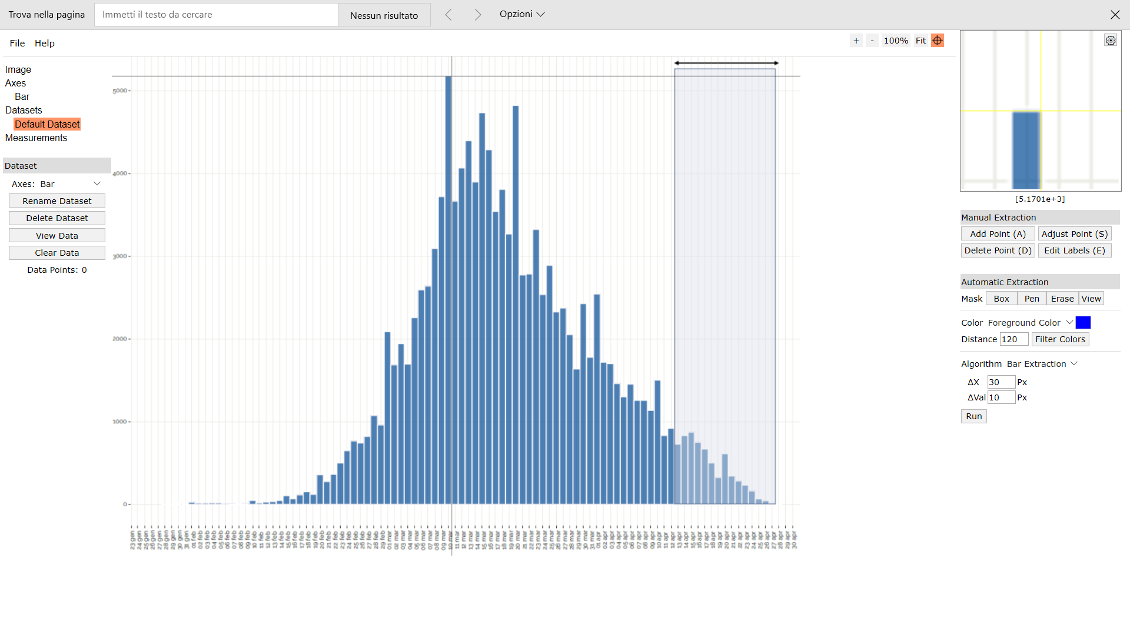
Digitizer example page
 | 48074
 | 72324
 | 77326
 | 104000
 | 217503
 | 122740
 | 176601
 | 217728
 | 164150
 | 464712
 | 336501
 | 396288
 | 513174
 | 625500
 | 711486
 | 636608
 | 656100
 | 819988
 | 672500
 | 1426752
 | 1015680
 | 1088032
 | 864360
 | 1061200
 | 1081195
 | 1022544
 | 1048781
 | 1141504
 | 1379025
 | 836724
 | 807313
 | 751824 |  |  |  |  |  |  |  |  |  |  |  |  |  |  |  | Author: Ankit Rohatgi Title: WebPlotDigitizer Website: https://automeris.io/WebPlotDigitizer Version: 4.2 Date: April, 2019 E-Mail: ankitrohatgi@hotmail.com Location: San Francisco, California, USA
 | 564344
 | 568500
 | 420957
 | 274176
 | 229026
 | 144720
 | 147975
 | 56736
 | 31437
 | 16352
 | 3258
 | 0
 | 3024
 | 13132
 | 25893
 | 35264
 | 84025
...

